Overview
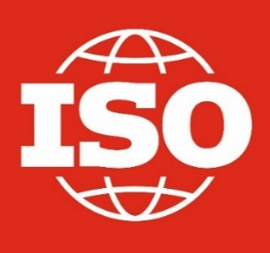 The ISO Survey of Management System Standard Certifications 2020
The data collected for the Survey was: • number of valid certificates per country as of 31st December (A valid certificate is one that has been issued by a certification body accredited by IAF MLA members during the year of the survey or in the two years preceding it that is still valid on 31 December of the year of the survey) • number of sectors per country covered by the certificates according to the 39 EA sectors classification. • number of sites per country covered by their certificates (A site is a permanent location where an organization carries out work or a service).
This report contains • an overview table showing the total number of valid certificates and the total number of sites for each standard • detailed results for each standard covered by the survey with the data by country for the number of certificates and the number of sites and the total number of sectors. The number of sectors per country is in a separate file called "Sectors by country" The explanatory note on the results and survey methodology is available on the ISO website.
 | Total valid certificates | Total number of sites
ISO 9001 | 916,842 | 1,299,837
ISO 14001 | 348,473 | 568,798
ISO 45001 | 190,481 | 251,191
ISO/IEC 27001 | 44,499 | 84,181
ISO 22000 | 33,741 | 39,894
ISO 13485 | 25,656 | 34,954
ISO 50001 | 19,731 | 45,092
ISO 20000-1 | 7,846 | 9,927
ISO 22301 | 2,205 | 4,662
ISO 37001 | 2,065 | 5,946
ISO 39001 | 972 | 2,341
ISO 28000 | 520 | 968

Access the detailed results for each standard
ISO 9001:2015 Quality management systems -- Requirements
ISO 14001:2015 Environmental management systems -- Requirements with guidance for use
ISO/IEC 27001:2013 Information technology -- Security techniques -- Information security management systems -- Requirements
ISO 22000:2018 Food safety management systems -- Requirements for any organization in the food chain
ISO 45001:2018 Occupational health and safety management systems -- Requirements with guidance for use
ISO 13485:2016 Medical devices -- Quality management systems -- Requirements for regulatory purposes
ISO 50001:20011&2018 Energy management systems -- Requirements with guidance for use
ISO 22301:2012&2019 Societal security -- Business continuity management systems -- Requirements
ISO/IEC 20000-1:2011&2018 Information technology -- Service management -- Part 1: Service management system requirements
ISO 28000:2007 Specification for security management systems for the supply chain
ISO 37001:2016 Anti-bribery management systems -- Requirements with guidance for use
ISO 39001:2012 Road traffic safety management systems -- Requirements with guidance for use

